Emily's notes
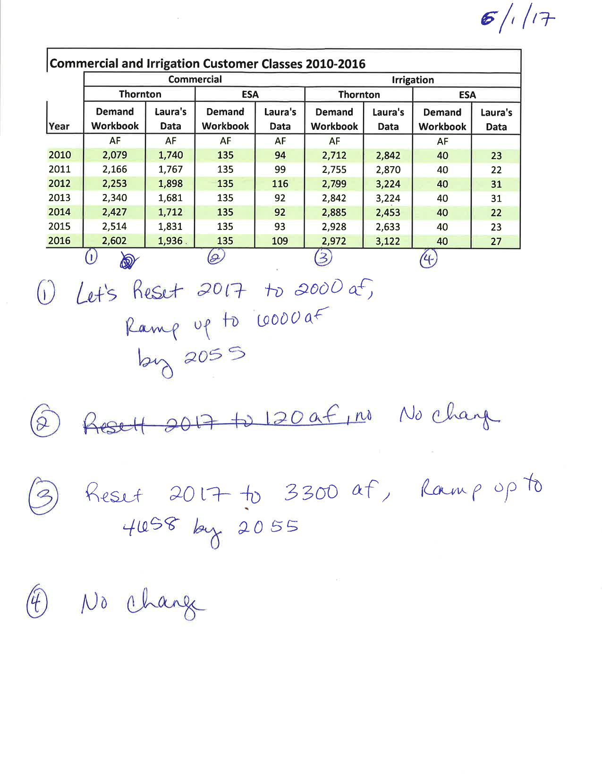
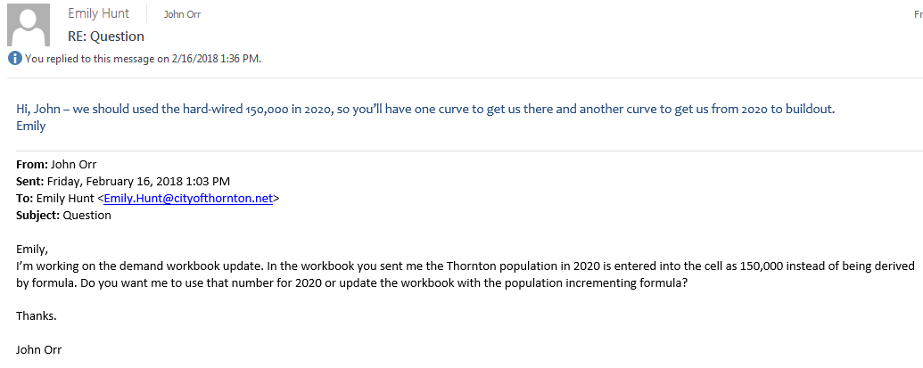

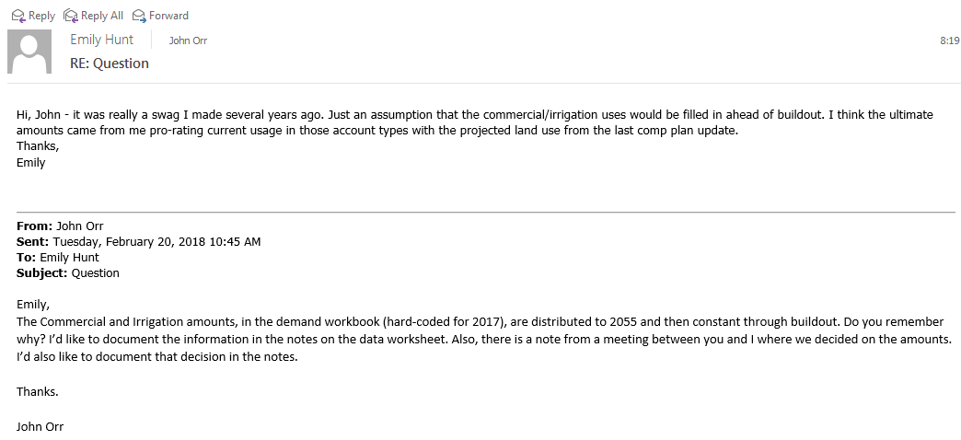

No TWP Chart by Pop
City of Thornton Water Supply - No TWP Firm Yield and Demand (AF)
 | Demand Without Safety Factor | Demand with Safety Factor | Supply
134,000 | 28,494 | 30,647 | 28,700
135,000 | 28,450 | 30,599 | 28,700
136,000 | 28,406 | 30,551 | 28,700
137,000 | 28,362 | 30,503 | 28,700
137,000 | 28,318 | 30,454 | 28,700
138,000 | 28,647 | 30,815 | 28,700
139,000 | 28,977 | 31,175 | 28,700
140,000 | 29,307 | 31,535 | 28,700
140,000 | 29,636 | 31,895 | 28,700
141,000 | 29,647 | 31,907 | 28,700
142,000 | 29,658 | 31,919 | 28,700
143,000 | 29,669 | 31,931 | 28,700
143,000 | 29,680 | 31,943 | 28,700
144,000 | 29,981 | 32,272 | 30,000
145,000 | 30,283 | 32,602 | 30,000
146,000 | 30,585 | 32,932 | 31,000
146,000 | 30,887 | 33,261 | 32,000
148,000 | 31,110 | 33,505 | 32,000
149,000 | 31,110 | 33,505 | 32,000

Chart by Pop
City of Thornton Water Supply Firm Yield and Demand (AF)
 | Demand Without Safety Factor | Demand with Safety Factor | Supply
133,000 | 28,243 | 30,372 | 28,700
134,000 | 28,494 | 30,647 | 28,700
135,000 | 28,450 | 30,599 | 28,700
136,000 | 28,406 | 30,551 | 28,700
137,000 | 28,362 | 30,503 | 28,700
137,000 | 28,318 | 30,454 | 28,700
138,000 | 28,647 | 30,815 | 28,700
139,000 | 28,977 | 31,175 | 28,700
140,000 | 29,307 | 31,535 | 28,700
140,000 | 29,636 | 31,895 | 28,700
141,000 | 29,647 | 31,907 | 28,700
142,000 | 29,658 | 31,919 | 28,700
143,000 | 29,669 | 31,931 | 28,700
143,000 | 29,680 | 31,943 | 28,700
144,000 | 29,981 | 32,272 | 30,000
145,000 | 30,283 | 32,602 | 30,000
146,000 | 30,585 | 32,932 | 30,000
146,000 | 30,887 | 33,261 | 30,000
148,000 | 31,322 | 33,737 | 30,000
149,000 | 31,532 | 33,967 | 30,000
150,000 | 31,742 | 34,196 | 30,000
151,000 | 31,952 | 34,426 | 30,000
152,000 | 32,162 | 34,655 | 30,000
153,000 | 32,372 | 34,885 | 30,000
154,000 | 32,582 | 35,114 | 30,000
155,000 | 32,793 | 35,344 | 30,000
157,000 | 33,003 | 35,573 | 30,000
158,000 | 33,213 | 35,803 | 30,000
159,000 | 33,423 | 36,032 | 35,000
160,000 | 33,633 | 36,262 | 35,000
161,000 | 33,843 | 36,491 | 35,000
162,000 | 34,053 | 36,721 | 35,000
163,000 | 34,263 | 36,950 | 35,000
164,000 | 34,473 | 37,180 | 35,000
165,000 | 34,683 | 37,409 | 35,000
166,000 | 34,893 | 37,639 | 35,000
167,000 | 35,103 | 37,868 | 35,000
168,000 | 35,313 | 38,098 | 36,000
169,000 | 35,523 | 38,327 | 36,000
170,000 | 35,733 | 38,557 | 37,000
171,000 | 35,944 | 38,786 | 37,000
172,000 | 36,154 | 39,016 | 37,000
174,000 | 36,364 | 39,245 | 37,000
175,000 | 36,574 | 39,475 | 42,000
176,000 | 36,784 | 39,705 | 42,000
177,000 | 36,994 | 39,934 | 42,000
178,000 | 37,204 | 40,164 | 42,000
179,000 | 37,414 | 40,393 | 42,000
180,000 | 37,624 | 40,623 | 42,000
181,000 | 37,834 | 40,852 | 42,000
...

Chart by Year
City of Thornton Water Supply Firm Yield and Demand (AF) 150,000 people by 2020
 | Demand Without Safety Factor | Demand with Safety Factor | Supply
2017 | 28,318 | 30,454 | 28,700
2018 | 29,636 | 31,895 | 28,700
2019 | 29,680 | 31,943 | 28,700
2020 | 30,887 | 33,261 | 30,000
2021 | 31,322 | 33,737 | 30,000
2022 | 31,742 | 34,196 | 30,000
2023 | 32,162 | 34,655 | 30,000
2024 | 32,582 | 35,114 | 30,000
2025 | 33,003 | 35,573 | 30,000
2026 | 33,423 | 36,032 | 35,000
2027 | 33,843 | 36,491 | 35,000
2028 | 34,263 | 36,950 | 35,000
2029 | 34,683 | 37,409 | 35,000
2030 | 35,103 | 37,868 | 35,000
2031 | 35,523 | 38,327 | 36,000
2032 | 35,944 | 38,786 | 36,000
2033 | 36,364 | 39,245 | 37,000
2034 | 36,784 | 39,705 | 37,000
2035 | 37,204 | 40,164 | 37,000
2036 | 37,624 | 40,623 | 42,000
2037 | 38,044 | 41,082 | 42,000
2038 | 38,464 | 41,541 | 42,000
2039 | 38,884 | 42,000 | 42,000
2040 | 39,305 | 42,459 | 42,000
2041 | 39,725 | 42,918 | 42,000
2042 | 40,145 | 43,377 | 42,000
2043 | 40,565 | 43,836 | 42,000
2044 | 40,985 | 44,295 | 46,000
2045 | 41,405 | 44,754 | 46,000
2046 | 41,825 | 45,213 | 46,000
2047 | 42,245 | 45,672 | 46,000
2048 | 42,666 | 46,131 | 46,000
2049 | 43,086 | 46,590 | 46,000
2050 | 43,506 | 47,049 | 46,000
2051 | 43,926 | 47,508 | 46,000
2052 | 44,346 | 47,967 | 48,000
2053 | 44,766 | 48,426 | 48,000
2054 | 45,186 | 48,885 | 48,000
2055 | 44,705 | 48,359 | 48,000
2056 | 44,953 | 48,630 | 48,000
2057 | 45,201 | 48,902 | 48,000
2058 | 45,450 | 49,173 | 48,000
2059 | 45,698 | 49,444 | 48,000
2060 | 45,946 | 49,715 | 50,000
2061 | 46,194 | 49,986 | 50,000
2062 | 46,442 | 50,257 | 50,000
2063 | 46,691 | 50,529 | 50,000
2064 | 46,939 | 50,800 | 50,000
2065 | 47,187 | 51,071 | 50,000
2066 | 47,101 | 51,071 | 52,000
...

Chart by Year CE Accelerated
City of Thornton Water Supply Firm Yield and Demand (AF) 150,000 people by 2020, with accelerated Cooley East supply
 | Demand Without Safety Factor | Demand with Safety Factor | Supply
2017 | 28,318 | 30,454 | 28,700
2018 | 29,636 | 31,895 | 28,700
2019 | 29,680 | 31,943 | 28,700
2020 | 30,887 | 33,261 | 30,000
2021 | 31,322 | 33,737 | 32,500
2022 | 31,742 | 34,196 | 32,500
2023 | 32,162 | 34,655 | 32,500
2024 | 32,582 | 35,114 | 32,500
2025 | 33,003 | 35,573 | 32,500
2026 | 33,423 | 36,032 | 37,500
2027 | 33,843 | 36,491 | 37,500
2028 | 34,263 | 36,950 | 37,500
2029 | 34,683 | 37,409 | 37,500
2030 | 35,103 | 37,868 | 37,500
2031 | 35,523 | 38,327 | 37,500
2032 | 35,944 | 38,786 | 38,500
2033 | 36,364 | 39,245 | 38,500
2034 | 36,784 | 39,705 | 43,500
2035 | 37,204 | 40,164 | 43,500
2036 | 37,624 | 40,623 | 43,500
2037 | 38,044 | 41,082 | 43,500
2038 | 38,464 | 41,541 | 43,500
2039 | 38,884 | 42,000 | 43,500
2040 | 39,305 | 42,459 | 43,500
2041 | 39,725 | 42,918 | 43,500
2042 | 40,145 | 43,377 | 43,500
2043 | 40,565 | 43,836 | 43,500
2044 | 40,985 | 44,295 | 47,500
2045 | 41,405 | 44,754 | 47,500
2046 | 41,825 | 45,213 | 47,500
2047 | 42,245 | 45,672 | 47,500
2048 | 42,666 | 46,131 | 47,500
2049 | 43,086 | 46,590 | 47,500
2050 | 43,506 | 47,049 | 47,500
2051 | 43,926 | 47,508 | 47,500
2052 | 44,346 | 47,967 | 49,500
2053 | 44,766 | 48,426 | 49,500
2054 | 45,186 | 48,885 | 49,500
2055 | 44,705 | 48,359 | 49,500
2056 | 44,953 | 48,630 | 49,500
2057 | 45,201 | 48,902 | 49,500
2058 | 45,450 | 49,173 | 49,500
2059 | 45,698 | 49,444 | 49,500
2060 | 45,946 | 49,715 | 51,500
2061 | 46,194 | 49,986 | 51,500
2062 | 46,442 | 50,257 | 51,500
2063 | 46,691 | 50,529 | 51,500
2064 | 46,939 | 50,800 | 51,500
2065 | 47,187 | 51,071 | 51,500
2066 | 47,101 | 51,071 | 53,500
...

